Sheet1
Test Area | Test number | Description | Test process | Test data | Expected outcome | Actual outcome | Result when deliberately incorrect data entered | Result when no data entered | Pass/Fail | Screenshot(s) | Test comments
Login | 1 | User can login with correct username and password | Open the database file direct from the folder, login form will automatically open, input correct credentials and click on 'LOGIN' button | User name = 'Admin' Password = 'admin' | Access granted with 'Login Successful' message. Such then go straight onto another message which reads 'Welcome to Ritz Viewer System' | Access granted with 'Login Successful' and 'Welcome to Ritz Viewer System' messages in succession | Message pops up declaring the login details entered are incorrect | Message pops up declaring the login details entered are incorrect | Pass | 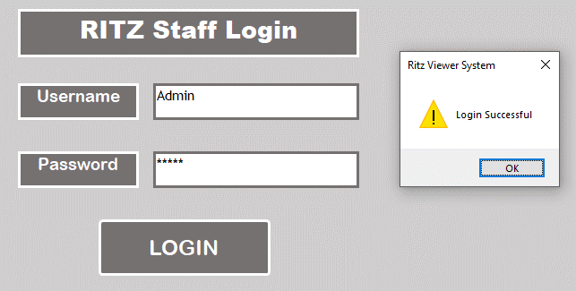 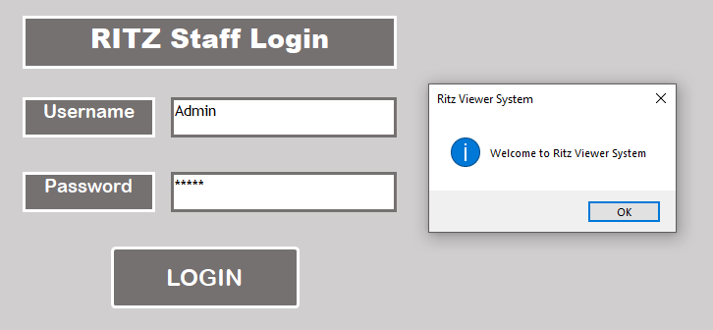 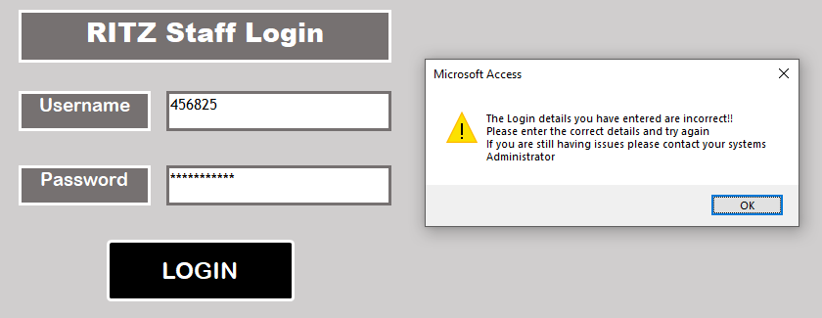 | Works correctly
Navigation | 2 | Form selector | Click on every form name from the main menu | N/A | Clicking on the form name should take the user to the desired form | Each form name when clicked leads to the desired form | N/A | N/A | Pass | 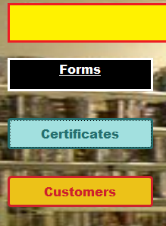 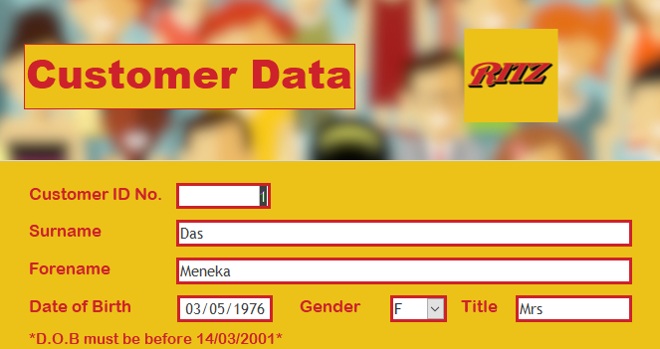 | Works correctly, checked for every form
 | 3 | Report selector | Click on every report name from the main menu | N/A | Clicking on the report name should take the user to the desired report | Each report name when clicked leads to the desired report | N/A | N/A | Pass | 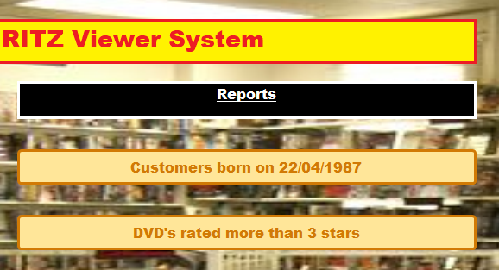 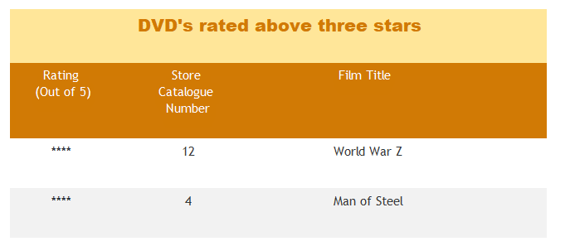 | Works correctly, checked for every report
 | 4 | First and last record buttons | Click on the '|<< 'and '>>|' buttons in the forms featuring these buttons | N/A | Clicking on the buttons should take the user to the first record and last record in the form respectively | Clicking on the respective buttons shows user the first and last records in the form as expected | N/A | N/A | Pass | 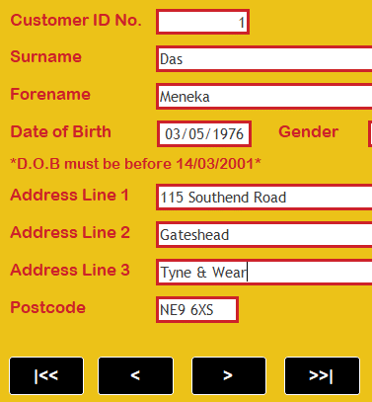 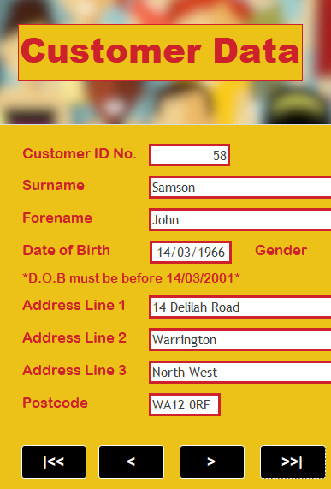 | Works correctly
 | 5 | Previous and next record buttons | Click on the '<'and '>' buttons in the forms featuring these buttons | N/A | Clicking on the buttons should take the user to the previous record and next record in the form respectively | Clicking on the respective buttons shows user the previous and next records in the form as expected | N/A | N/A | Pass | 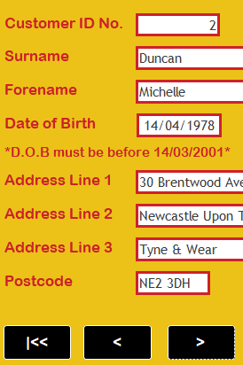 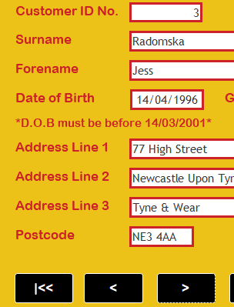 | Works correctly
Function buttons | 6 | Quit button in the main menu | Click on the 'QUIT' button in the main menu | N/A | Menu closes and Microsoft Access program shuts down | Menu closes and Microsoft Access program shuts down | N/A | N/A | Pass | N/A | Works correctly
 | 7 | Quit button in forms and reports | Click on the 'QUIT' button in all the forms and reports | N/A | Forms and reports close and Microsoft Access program shuts down | Forms and reports close and Microsoft Access program shuts down | N/A | N/A | Pass | N/A | Works correctly for all forms and reports
 | 8 | Print button in forms and reports | Click on the 'Print' button in all the forms and reports | N/A | When button is pressed, print dialogue box should appear, showing print options | Print dialogue box appears, showing print options | N/A | N/A | Pass | 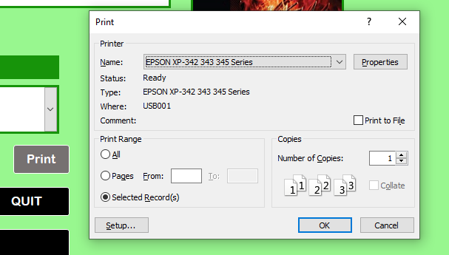 | Works correctly for all forms and reports
 | 9 | Return to Main Menu button in forms and reports | Click on the 'Return to Main Menu' button in all the forms and reports | N/A | When button is pressed, user is taken back to the main menu | User is taken back to the main menu | N/A | N/A | Pass | 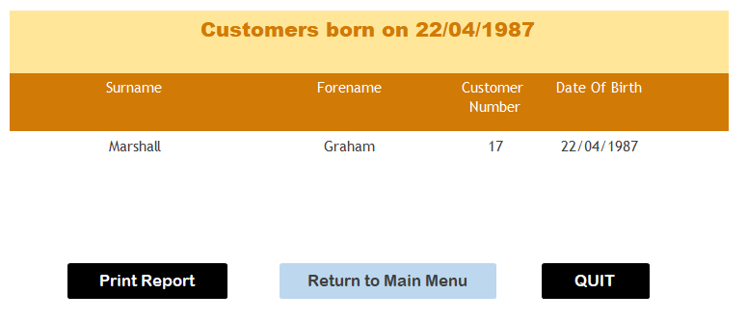 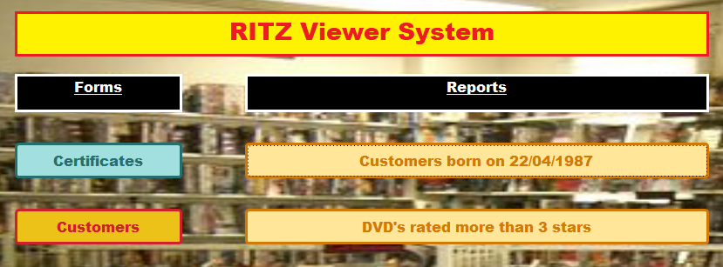 | Works correctly for all forms and reports
 | 10 | New records can be added using 'New______' button | Go onto every form and click the 'New (form specific function name)' button | N/A | When button is pressed, all fields become blank (except for any fields which use the auto number generator function) | All fields become blank (except for any fields which use the auto number generator function) ready to accept new data | N/A | N/A | Pass | 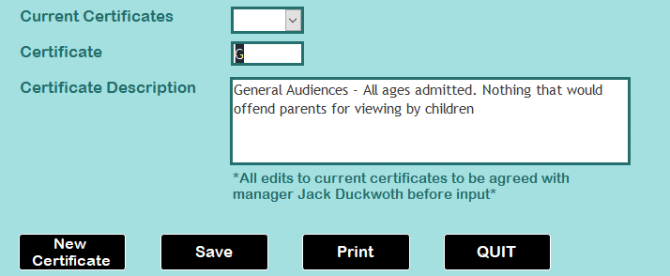 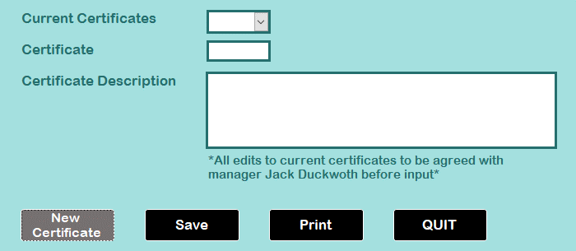 | Works correctly for all forms
 | 11 | New data entered in a form can be saved | Go onto every form and click the 'New (form specific function name)' button, enter data into all fields and click the 'Save' button | N/A | After new data has been entered and the 'Save' button clicked, the new record is created in table and data stays on the screen | A new record is created in table and data stays on the screen | N/A | N/A | Pass | 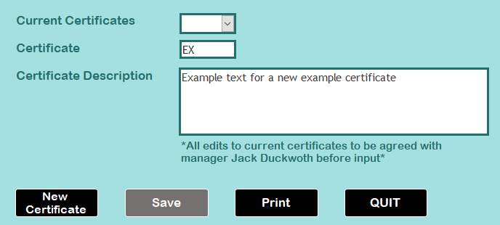 | Works correctly for all forms
Data validation | 12 | Field: Postcode Table: Customer | Go into Customer Data form, click on 'New Customer' button, enter a correctly formatted postcode in the Postcode field | WE45 9UY | Postcode field should let the test data be entered | Test data is entered and not rejected | Tried on input a postcode in an incorrect format, data which does not match a postcode format cannot be entered at all | Pop up message appears stating a value must be entered in the 'tblCustomer.Postcode' field | Pass |  | Works correctly
 | 13 | Field: Date of Birth Table: Customer | Go into Customer Data form, click on 'New Customer' button, enter a date of birth dated before 14/03/2001 in the date of Birth field | 1999-03-14 | Date of birth should be able to be entered, then let the user tab along to the next field | Date of birth is entered and allows user to tab along to the next field | Tried to input a date of birth dated after 14/03/2001, data was rejected and received a pop up message stating "One or more values are prohibited by the validation rule '<3/14/2001#>' set for 'tblCustomer.CustDateOfBirth'. Enter a value that the expression of this field can accept". Tried to enter a date of birth of 15/45/1999, data was rejected an received a pop up message stating "The value you entered isn't valid for this field". The field automatically rejects any attempts to enter letters | Pop up message appears stating a value must be entered in the 'tblCustomer.CustDateOfBirth' field when an attempt is made to save the new record | Pass | 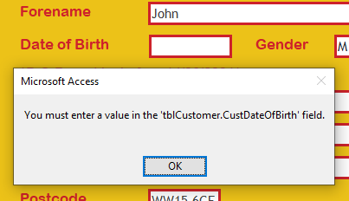 | Works correctly
 | 14 | Field: Run time (mins) Table: DVD | Go into DVD Catalogue form, click on 'New DVD' button, enter a run time of less that 999 (mins) | 700 | Field should accept the number 700 and allow user to tab to the next field | Field accepts the number and lets user move to the next field | Tried to enter a value of 1001 - the data was rejected and message popped up stating "One or more values are prohibited by the validation rule '<=999' set for 'tblDVD.RunTime(mins)'. Enter a value that the expression for this field can accept". I then tried to input a value made up of letters - the data was rejected with a message that value entered isn't valid for the field | Pop up message appears stating a value must be entered in the 'tblDVD.RunTime(mins)' field | Pass | 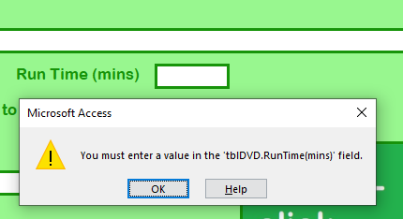 | Works correctly
 | 15 | Field: Pay Band Table: PayBands | Go into Pay Bands form, click on 'New Pay Band' button, enter a letter in the alphabet higher than 'E' | F | Field should accept the value and let the user tab along to the next field | Test data is accepted and lets user tab along to next field | Tried to enter a letter between 'A' and 'E', data was rejected and received a pop up message stating "One or more values are prohibited by the validation rule 'Like "[F-Z]"' set for 'tblPayBands.PayBand'. Enter a value that the expression for this field can accept". The same message appeared if a I tried to enter a number instead of a letter | When I try to save the record, pop up message states that a value must be entered in 'tblPayBands.PayBand' field | Pass | 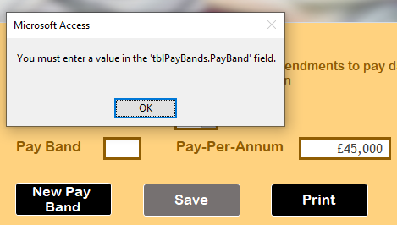 | Works correctly
 | 16 | Field: Date Rented Table: Rental | Go into Rentals form, click on 'New Rental' button, enter a date that matches today's date | 2019-06-15 | Field should accept the date and let the user tab along to the next field | Test data is accepted and lets user tab along to next field | Tried to enter a date that is before and the present date and a date that is after the present date, both times the dates were rejected with following pop up message "One or more values are prohibited by the validation rule 'Date()' set for 'tblRental.DateRented'. Enter a value that the expression for this field can accept". field has been auto set to not accept letters | Pop up message appears stating a value must be entered in the 'tblRental.DateRented' field | Pass | 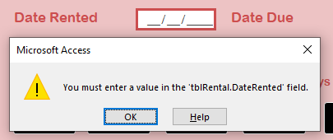 | Works correctly
 | 17 | Field: N.I. Number Table: Staff | Go into Staff Details form, click on 'New Staff' button, enter a value in the format that matches that of a National Insurance Number - Two letters, six numbers and then one letter at the end | TG123456J | Field should accept the date and let the user tab along to the next field | Test data is accepted and lets user tab along to next field | Tried on input an NI Number in an incorrect format, data which does not match a NI Number format cannot be entered at all | When I try to save the record, pop up message states that a value must be entered in 'tblStaff.NINumber' field | Pass | 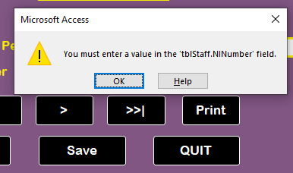 | Works correctly
 | 18 | Field: Date of Birth Table: Staff | Go into Staff Details form, click on 'New Staff' button, enter a date of birth dated before 14/03/2001 in the Date of Birth field | 1998-03-14 | Date of birth should be able to be entered, then let the user tab along to the next field | Test data is accepted and lets user tab along to next field | Tried to input a date of birth dated after 14/03/2001, data was rejected and received a pop up message stating "One or more values are prohibited by the validation rule '<3/14/2001#>' set for 'tblCustomer.CustDateOfBirth'. Enter a value that the expression of this field can accept". Tried to enter a date of birth of 15/45/1999, data was rejected an received a pop up message stating "The value you entered isn't valid for this field". The field automatically rejects any attempts to enter letters | Pop up message appears stating a value must be entered in the 'tblStaff.StaffDateOfBirth' field | Pass | 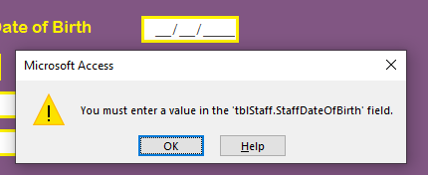 | Works correctly
 | 19 | Field: Postcode Table: Staff | Go into Staff Details form, click on 'New Staff' button, enter a correctly formatted postcode in the Postcode field | HG25 9FD | Postcode field should let the test data be entered | Test data is entered and not rejected | Tried on input a postcode in an incorrect format, data which does not match a postcode format cannot be entered at all | Pop up message appears stating a value must be entered in the 'tblStaff.Postcode' field | Pass |  | Works correctly
Miscellaneous | 20 | Adding film covers | Go into the DVD Catalogue form, click on the 'New DVD' button, double click on the box containing the text 'Double-click here to add a film cover' | N/A | Double clicking on the box should bring up an Attachments dialogue box with file browser | Attachments dialogue box appears with file browser | N/A | N/A | Pass | 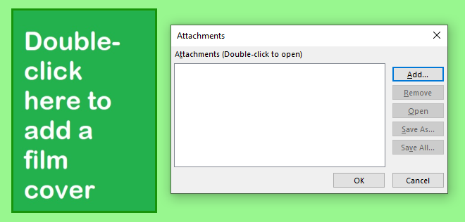 | Works correctly
 | 21 | Adding staff pictures | Go into the Staff ID Badge form, click on the 'New ID Badge' button, double click on the box containing the text 'Double-click here to add a staff picture' | N/A | Double clicking on the box should bring up an Attachments dialogue box with file browser | Attachments dialogue box appears with file browser | N/A | N/A | Pass | 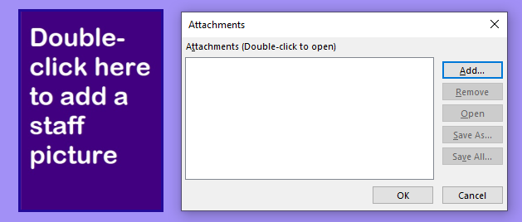 | Works correctly

